StaffManagement form
Font: Microsoft Sans Serif
Fontsize: 18pt
Color: #000000
Fontsize: 18pt
Color: #000000

Color: #E4E0E0

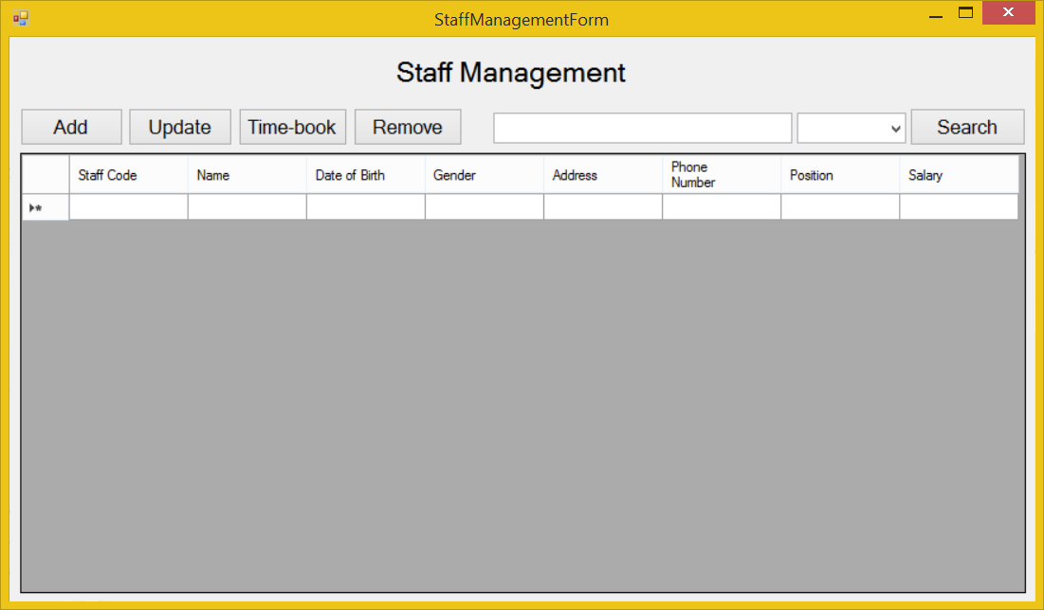

Fontsize: 12pt
Color: #000000

Color: #FFFFFF

Fontsize: 7.8pt

StaffManagement_Add form
Font: Microsoft Sans Serif
Fontsize: 12pt
Input text field: From left to right.

Datetime picker: MM/DD/YYYY

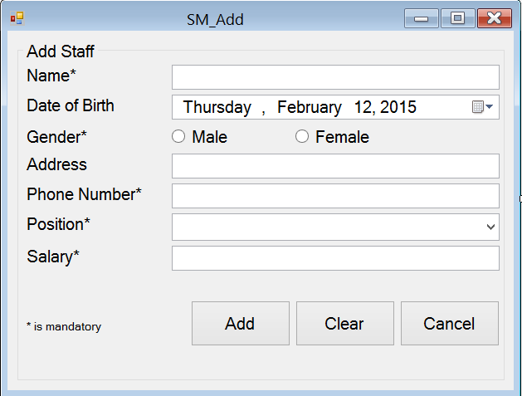

color: #E4E0E0

color: #FFFFFF

Fontsize: 7.8pt

StaffManagement_Update form
Font: Microsoft Sans Serif
Fontsize: 12pt
Input text field: From left to right.

Datetime picker: MM/DD/YYYY

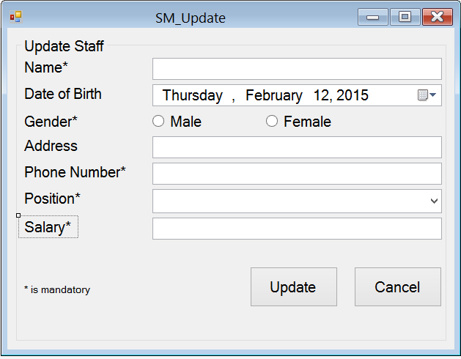

color: #E4E0E0

color: #FFFFFF

Fontsize: 7.8pt

StaffManagement_Timebook form
Font: Microsoft Sans Serif
Color: #E4E0E0

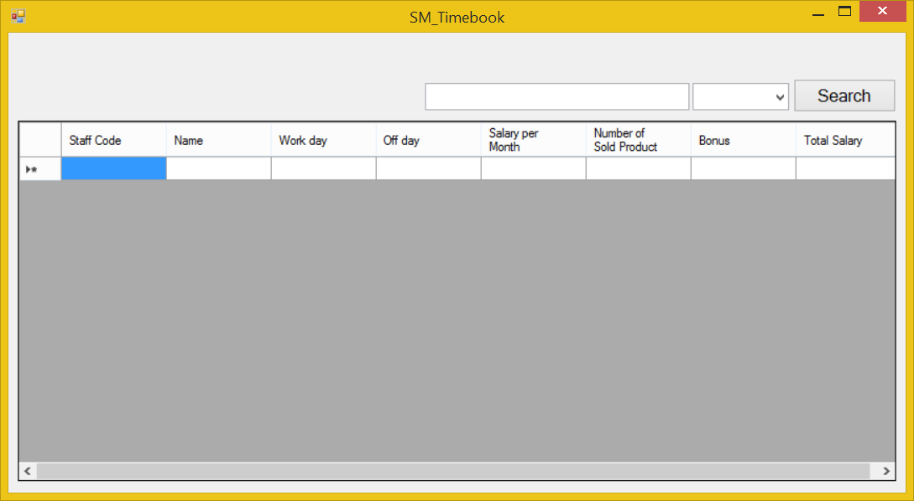

Fontsize: 12pt
Color: #000000

Color: #FFFFFF

fontsize: 7.8pt

